Sheet1
Room Set-up and Materials

The basic set-up for PCIT rooms will include a one-way mirror, side by side rooms (therapy room, observation room, and barrier room), an adult sized table with two chairs to accommodate a caregiver and child, an adult sized sturdy time out chair and at least three choices of appropriate toys. Average-sized treatment rooms are preferred rather than larger conference rooms. A sound system (microphone and amplifier) is necessary to hear the interaction between caregiver and child while you stand on the other side of the one way mirror in the observation room, and a “hearing helper” system will be necessary for speaking to the caregiver through a microphone and earpiece device (bug-in-the-ear). A timer is important when coding the caregiver on skill level each week.Videotaping sessions also allows for session review by consultant or supervisor, your review of caregiver skill level, and as a reference as the sessions progress. A barrier room (or “time out” room) is preferred but not required. A barrier room is ideally approximately 4X6 feet or so – no smaller than 4X4 and no larger than a small office – and it must have adequate light. When designing a barrier room consider having a “dutch door” cut off approximately 5 feet high and/or a safety glass window into the timeout room to permit visual contact.

A preliminary list of necessary equipment includes:
 | Therapy Room
 | Observation room
 | Barrier room (time-out room)
 | Two way mirror between coaching and therapy room
 | Sound system (microphone and amplifier)
 | Adult sized table and three chairs (one will be the time-out chair)
 | Appropriate toys (a selection of PCIT-appropriate toys, including toys for younger and older children available)
 | Timer
 | Hearing helper (bug-in-the-ear)
 | Video camera with tripod or other means of recording a session
 | Eyberg Child Behavior Inventory (ECBI) Forms (one per week per caregiver)

Below is some information you may find useful in ordering some of the necessary equipment and materials and for setting up your PCIT room. If you have any questions about which equipment is best for your agency, please feel free to contact us. Although we may not be able to answer really technical questions, we may be able to help you trouble-shoot.

Equipment used to bring sound from the treatment room into the observation room.
1 | Audio Technica ES945W boundary mic | $193.50 | Pro Acoustics | http://www.proacousticsusa.com/productdetail.php?pId=751
1 | Behringer Ultracoustic AT108 | $60.00 | Musicians Friend | http://www.musiciansfriend.com/product?sku=480781
1 | Behringer PS400 Phantom Power Supply | $19.99 | Musicians Friend | http://www.musiciansfriend.com/product/Behringer-MICROPOWER-PS400-Phantom-Power-Supply?sku=336830
1 | 30' mic cable | $8.00 | Musicians Friend | http://www.musiciansfriend.com/product/General/Accessories/Cables?sku=361707
1 | 6' mic cable | $5.00 | Musicians Friend | http://www.musiciansfriend.com/product/General/Accessories/Cables?sku=361707
 |  | $286.49

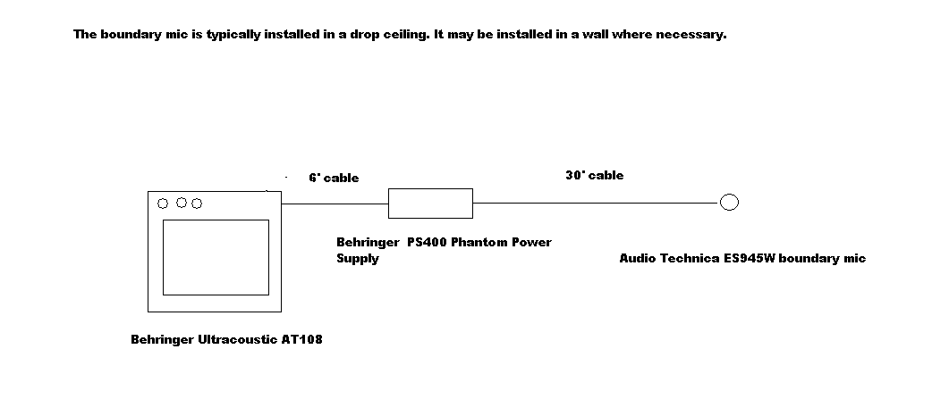

Bug-in-the-ear (microphone for therapist to coach parent). This is portable and can be used in or out of the treatment room.
1 | Williams Sound PFM 330 Hearing Helper | $428.00 | Audio Video Designs | 216 North Broadway, Moore, Oklahoma 73160 | 800 893-7555 | http://www.avsuperstore.com/moreinfo.cfm/Williams.Sound/PFM%20330
1 | Williams Sound Lapel Microphone** | $57.95 | Audio Video Designs | 216 North Broadway, Moore, Oklahoma 73160 | 800 893-7555 | http://www.bhphotovideo.com/c/product/498202-REG/Williams_Sound_MIC_090_MIC090_Mini_Lapel_Clip.html
1 | Williams Sound Earbud*** | $15.00 | Audio Video Designs | 216 North Broadway, Moore, Oklahoma 73160 | 800 893-7555 | http://www.avsuperstore.com/moreinfo.cfm/Williams.Sound/EAR%20013
1 | Williams Sound Earcover**** | $3.99 | Audio Video Designs | 216 North Broadway, Moore, Oklahoma 73160 | 800 893-7555 | https://www.audiolinks.com/tek9/tek9.asp?pg=products&specific=jpfqpon8
 | Complete set* | $522.00 | AV Superstore | http://www.avsuperstore.com/moreinfo.cfm/Williams.Sound/PFM%20360%20RCH

 | Alternative:
2 | Dragon Call Pods | $15 - $125 | www.Amazon.com

 | *Recommended unit - includes drop-in charger
 | **(extra mic w/long cord)
 | ***(extra ear w/long cord)
 | ****(set of two plastic ear piece covers- preferred by many over the uncleanable foam covers)

**NOTE: | Neil at Audio Video Designs can help repair the bug-in-the-ear system. He can be contacted at 800-893-7555.

Equipment recommended for recording treatment sessions:
1 | Sony DCR-DVD650 Camcorder | $285.00 | Amazon | http://www.amazon.com/gp/product/B001P3O3O0/ref=oss_product
1 | Sony VCT-R100 Lightweight Compact Tripod | $28.99 | Amazon | http://www.amazon.com/gp/product/B000EFIJTA/ref=oss_product
1 | Sony LCS-X20 Soft Carrying Case | $18.78 | Amazon | http://www.amazon.com/gp/product/B0012GE5DE/ref=oss_product
1 | 8cm/3" Mini DVD-R DVD's (100 count) | $46.99 | Amazon | http://www.amazon.com/100pcs-ProDisc-Spin-X-DVD-R-Silver/dp/B003C19DIO/ref=sr_1_6?ie=UTF8&s=electronics&qid=1273261132&sr=1-6

PCIT Assessments:
 | ECBI Testing Forms (25/pack) | $40.00 | PAR Inc. | http://www4.parinc.com/Products/Product.aspx?ProductID=ECBI

Recommended toy list:
 | Large sets of construction toys (Duplo's, foam blocks, LEGO's, alphabet blocks, tinker toys, etc.)
 | Fantasy play sets (farm scenes, airport, castle, zoo, etc.)
 | Arts & Crafts (Play-Doh with tools, washable crayons and markers, coloring pages or paper, etc.)
 | ** Plastic storage tubs or bags for each toy is helpful and convenient for easy clean-up and storage!

Remodeling/Building a PCIT room (For Oklahoma Agencies)
 | Todd Davenport with GGI Properties | Variable | GGI Properties | www.ggipropertiesonline.com
 |  |  | 405-201-4399

Two-way Mirror
Time-Out Room Window
Coach

Mom
Time-out Chair
Child
Two-way Mirror
Bug-in-the-ear
Time-out Room

